35
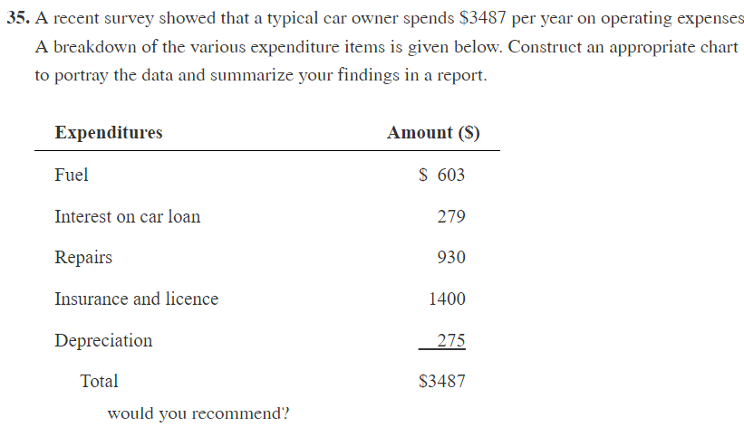

Expenditures | Amount
Fuel | 603
Interest on car loan | 279
Repairs | 930
Insurance and license | 1400
Deprecitation | 275
Total | 3487
Make the bar plot

21
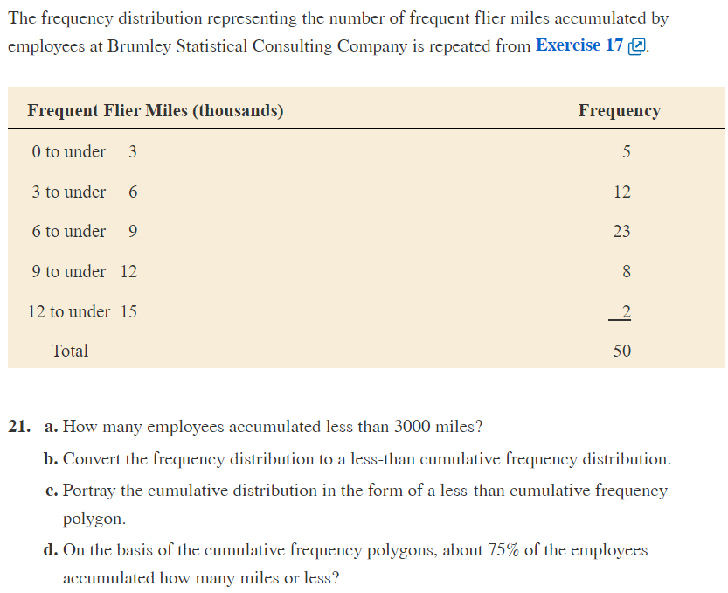

a | 5

b | Lower | Upper | Freq | Cum Freq
 | 0 | 3 | 5 | 5
 | 3 | 6 | 12 | 17
 | 6 | 9 | 23 | 40
 | 9 | 12 | 8 | 48
 | 12 | 15 | 2 | 50

c | Mid Point | Lower | Upper | Freq | Cum Freq
 | 1.5 | 0 | 3 | 5 | 5
 | 4.5 | 3 | 6 | 12 | 17
 | 7.5 | 6 | 9 | 23 | 40
 | 10.5 | 9 | 12 | 8 | 48
 | 13.5 | 12 | 15 | 2 | 50
 | Make the polygon plot

d) | Mid Point | Lower | Upper | Freq | Cum Freq | %Cum Fre
 | 1.5 | 0 | 3 | 5 | 5 | 10%
 | 4.5 | 3 | 6 | 12 | 17 | 34%
 | 7.5 | 6 | 9 | 23 | 40 | 80%
 | 10.5 | 9 | 12 | 8 | 48 | 96%
 | 13.5 | 12 | 15 | 2 | 50 | 100%

 | Draw the polygon plot to answer

